Sheet1
 |  | Theoretical | Technical | Market
Total | KIER | 13386344829 | 387617131 | 49617213
 | NIMS | 25659536183 | 749184769 | 322267615
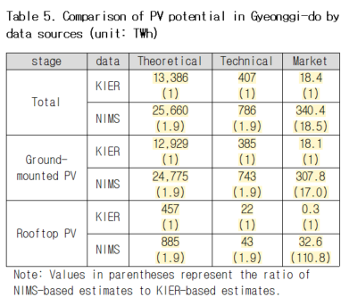
Ground | KIER | 12929442989 | 385028533 | 38547333
 | NIMS | 24774551104 | 706305918 | 290482244
Roof | KIER | 456901840 | 22161078 | 15039027
 | NIMS | 884985078 | 42878850 | 31785370

 |  | Theoretical | Technical | Market
Total | KIER | 13,386 | 388 | 50 | 407 | 54
 | NIMS | 25,660 | 749 | 322
Ground | KIER | 12,929 | 385 | 39
 | NIMS | 24,775 | 706 | 290
Roof | KIER | 457 | 22 | 15
 | NIMS | 885 | 43 | 32

 |  |  | 1500짜리 지상형과 옥상형의 합이 전체와 맞지 않음

